5.3_SDGs
Back to content
Index
 | Implementing the Sustainable Development Goals (SDGs) and achieving SDG targets: Our actions on material topics

 | As in our previous reports, we established a direct link between our key material topics and our focus SDGs and their respective targets. The matching is based on our own understanding of our areas of impact and their specific contribution to the SDGs while also taking into consideration relevant guidance documents provided by the UN Global Compact and GRI such as their “An analysis of the goals and targets” (2017 and 2022 versions).

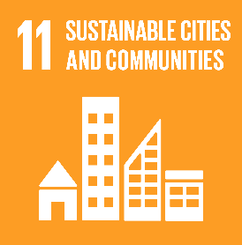
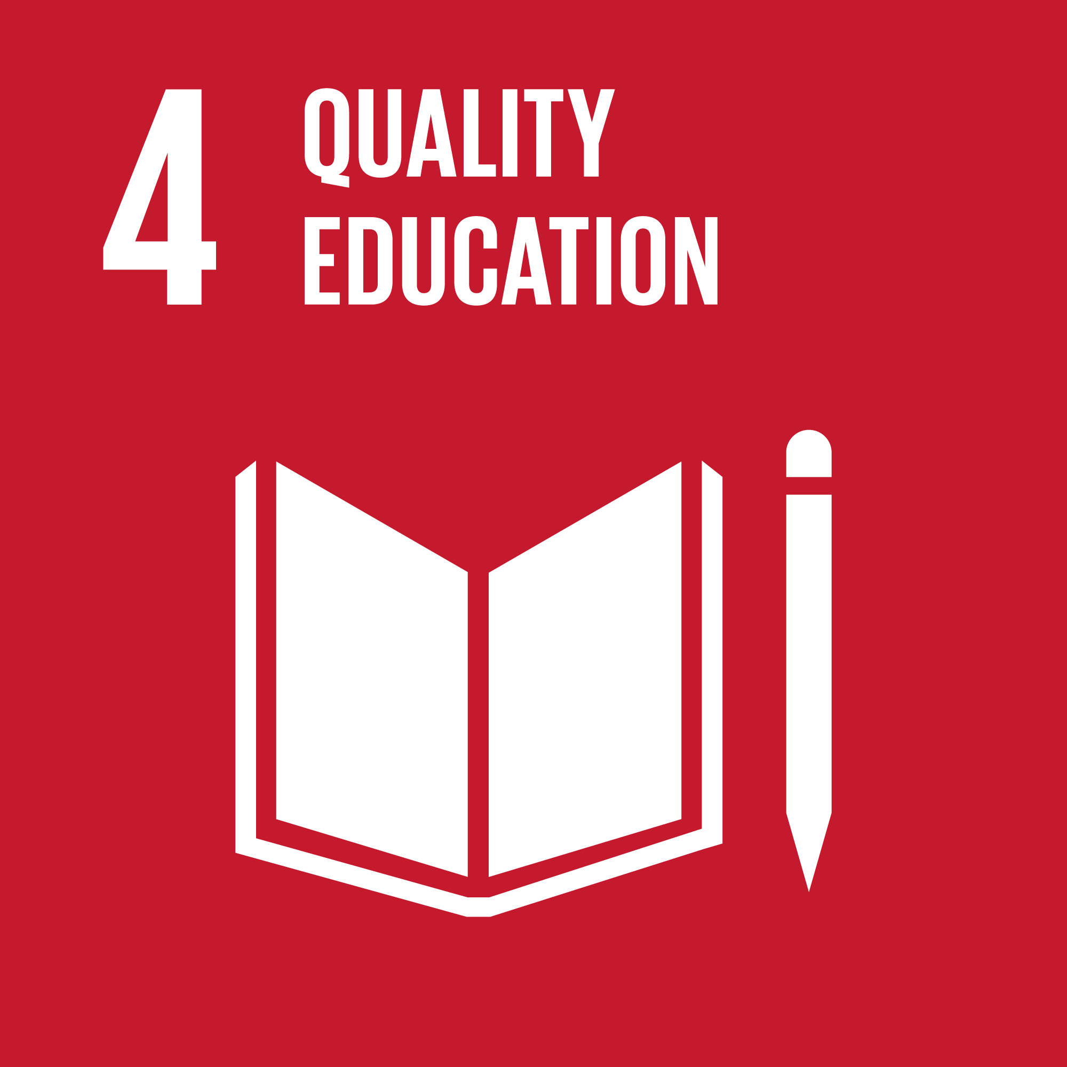
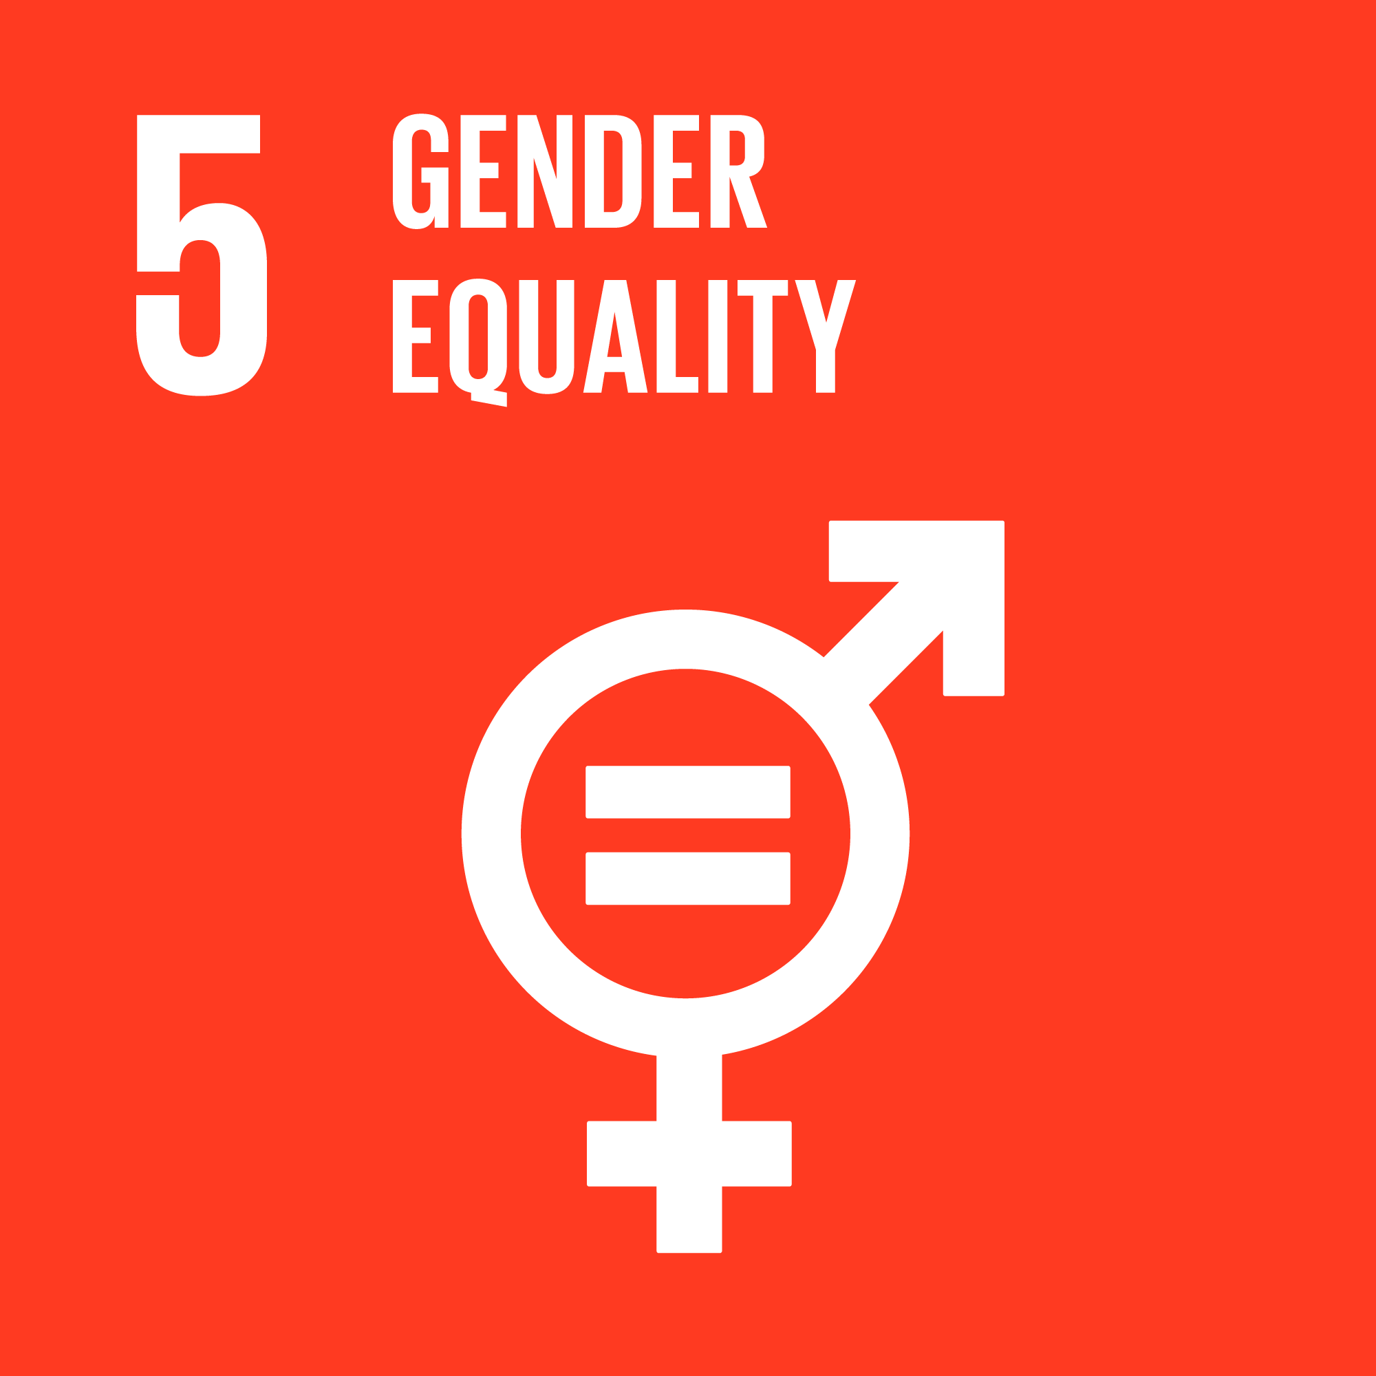
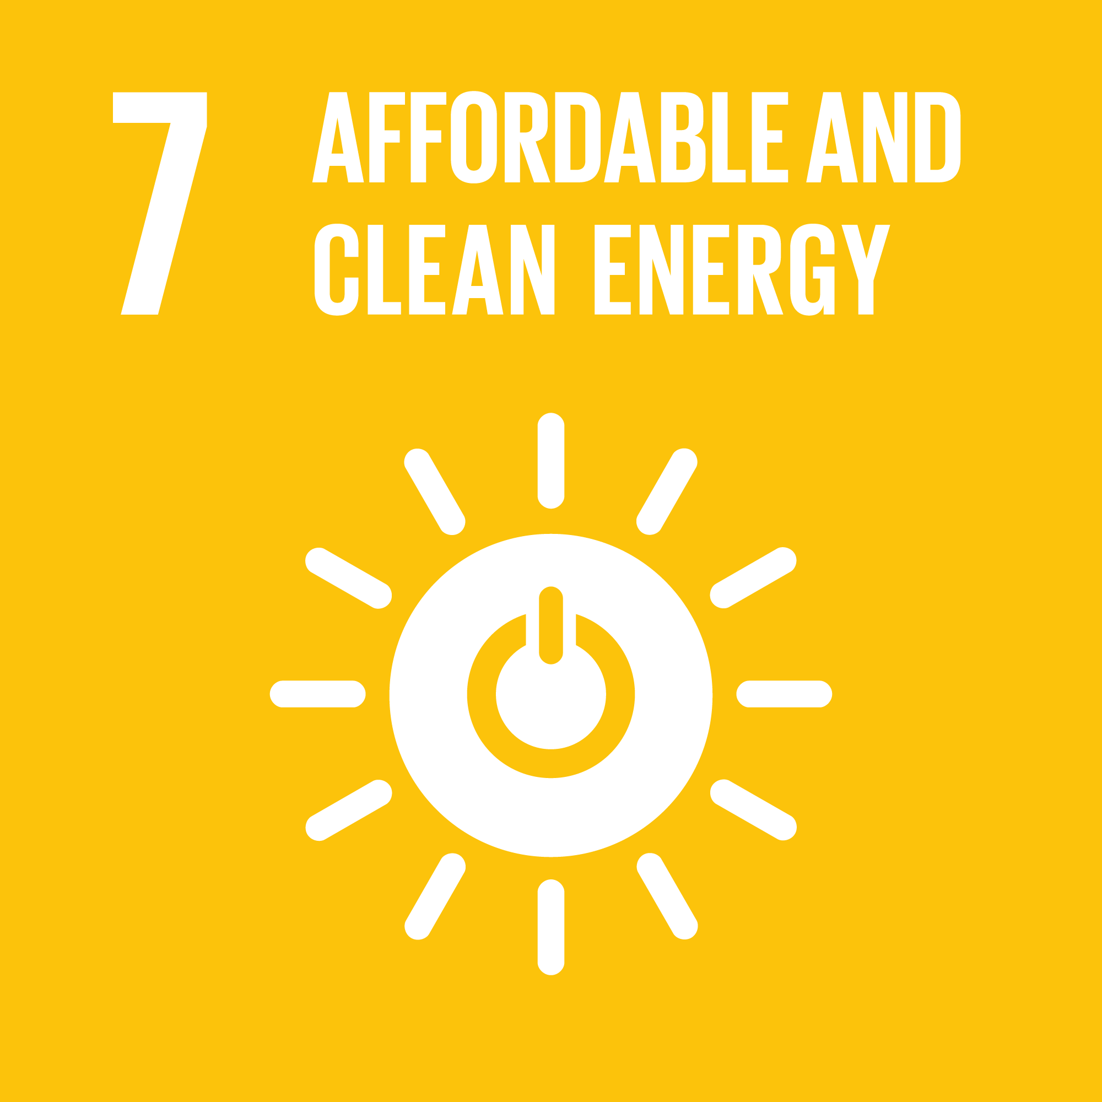
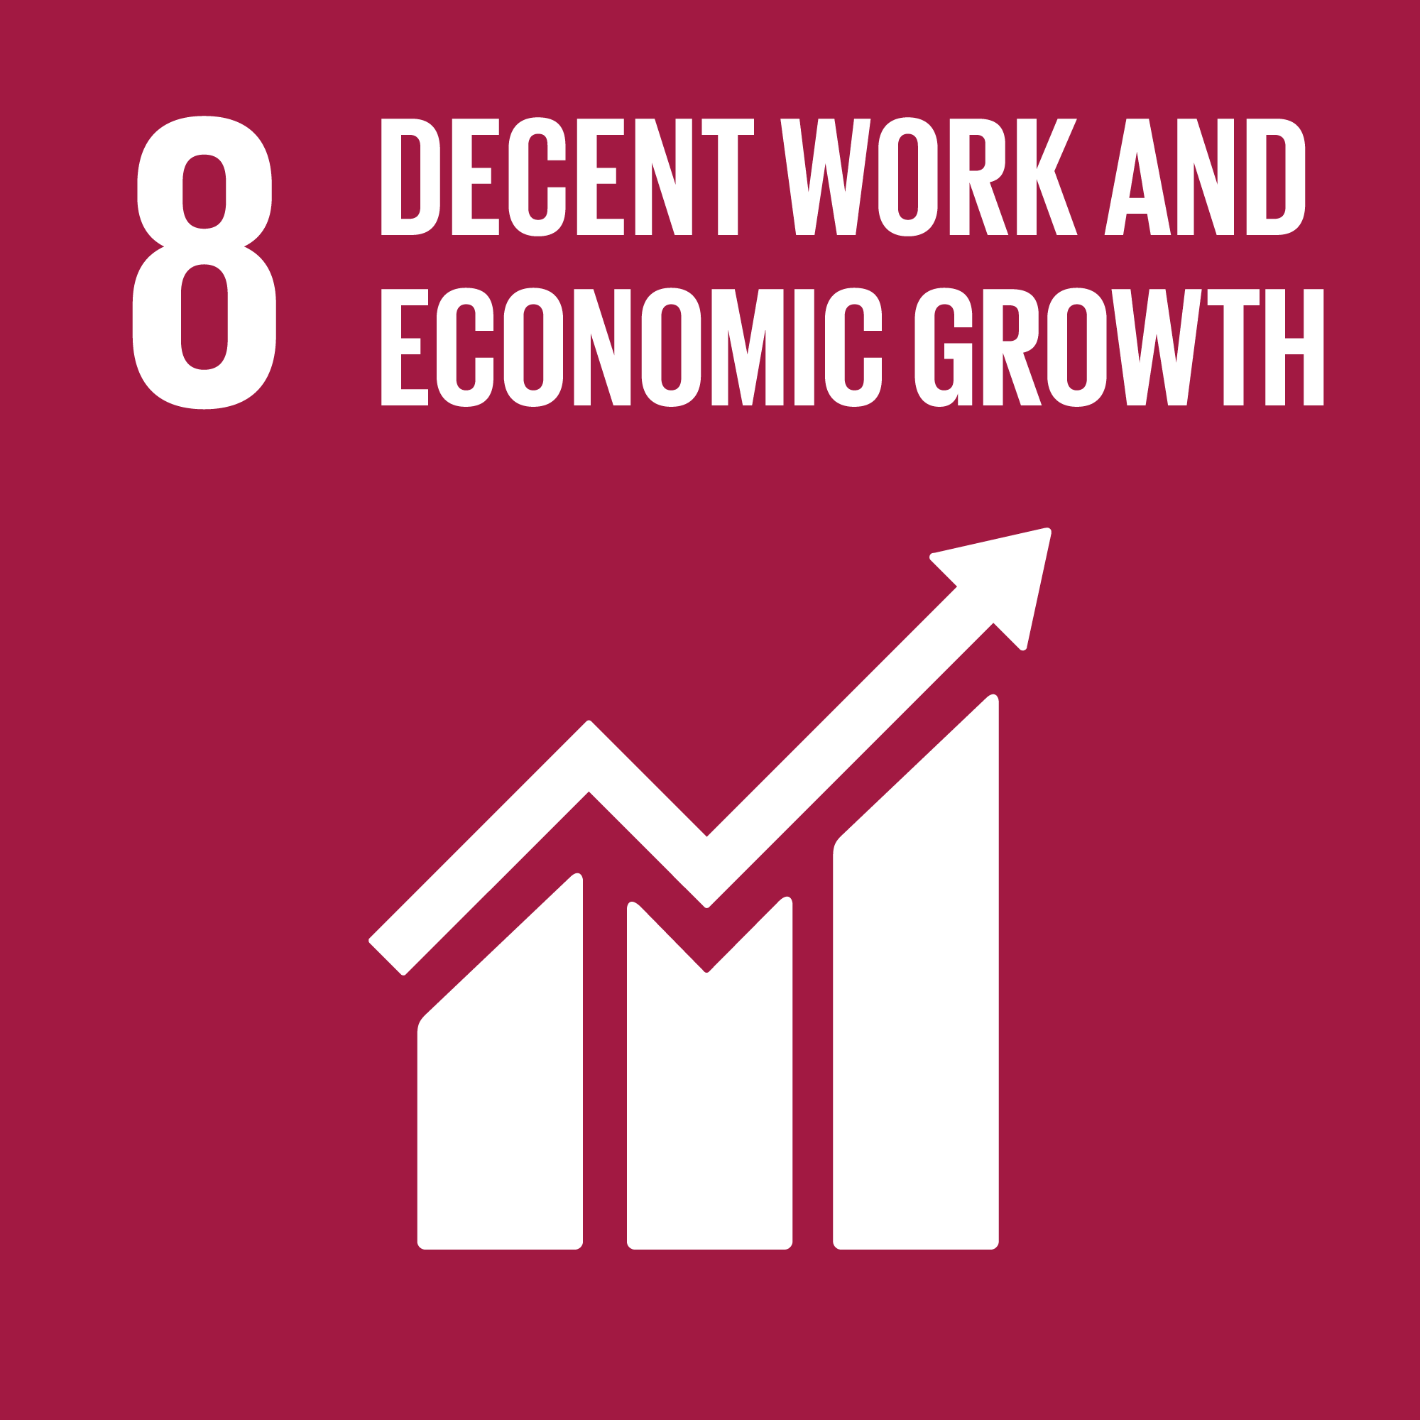
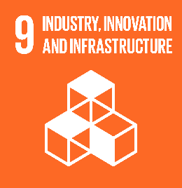
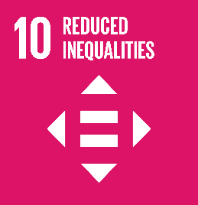
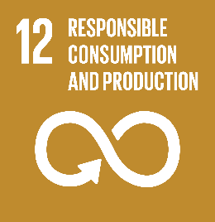
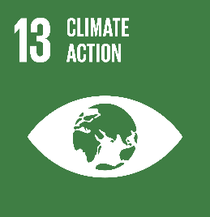
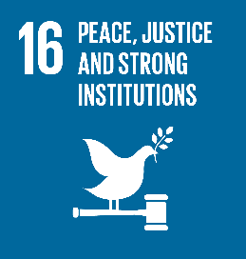

 | SDG 4 Quality education
 | Related material topic(s) | Own workforce |  | Own workforce |  | Own workforce
 | Associated SDG target | 4.3 By 2030, ensure equal access for all women and men to affordable and quality technical, vocational and tertiary education, including university |  | 4.4 By 2030, substantially increase the number of youth and adults who have relevant skills, including technical and vocational skills, for employment, decent jobs and entrepreneurship |  | 4.7 By 2030, ensure that all learners acquire the knowledge and skills needed to promote sustainable development, including, among others, through education for sustainable development and sustainable lifestyles, human rights, gender equality, promotion of a culture of peace and nonviolence, global citizenship and appreciation of cultural diversity and of culture’s contribution to sustainable development
 | Our actions | We offer a comprehensive training continuum for all employees, conducted online, on-the-job and at our training centres. |  | In 2025, 452,456 hours of training were provided to ProCredit staff, which is an average of 12.1 days of training per employee over a year. |  | We provide continuous training in sustainability topics, including:
 |  | Professional growth is based on meritocracy, our colleagues' attitude, and their qualifications. |  | Training costs amounted to EUR 8.0m in 2024. |  | At least one training session on green topics for all employees once a year (environmental measures at work and in private life, sustainable business and personal practices, management of E&S risks).
 |  | In 2025, a total of 34 employees graduated from our Management Academy, which aligns with 2024. |  | Approximately 17% of our staff have graduated from the Banker and Management Academies. |  | At least one training session on social topics for all employees once a year (Code of Conduct) (human rights, diversity, democracy, ethics).
 |  | In 2025, 16 of the 34 graduates from our Management Academy were women. |  |  |  | A twice-yearly seminar for environmental, credit risk and business department staff (environmental measures and performance, sustainable business, management of ESG risks).
 |  |  |  |  |  | In 2025, we conducted enhanced training courses in net zero and renewable energy project finance.
 |  |  |  |  |  | In 2025, we provided training to our entire staff showing how we could better support women in business and shatter the glass ceiling.
 |  |  |  |  |  | We provided a total of 20,171 hours of environmental training.
 |  |  |  |  |  | We provided a total of 25,896 hours of Code of Conduct and DEI training. DEI training alone accounted for 8,439 hours in 2025.

 | SDG 5 Gender equality
 | Related material topic(s) | Own workforce |  |  | Own workforce
 | Associated SDG target | 5.1 End all forms of discrimination against all women and girls everywhere |  |  | 5.5 Ensure women’s full and effective participation and equal opportunities for leadership at all levels of decision-making in political, economic and public life
 | Our actions | We utilise a standardised and transparent recruitment process for all candidates, including interviews, tests and group discussions. The same process is applied for all applicants regardless of gender, seniority, experience, or the role they apply for. ; |  |  | Females account for 38% of the Management Board members in the ProCredit institutions and for 42% of the Supervisory Board.
 |  | Our approach is based on transparent performance management and a long-term career perspective, taking the personal and family situation of individuals into account. Our clearly structured staff recruitment process is defined in the ProCredit Group Human Resources Policy. |  |  | The average length of service for female Management Board members is 12.1 consecutive years compared to 13.0 for male Management Board members, demonstrating that women in leading positions are encouraged to stay long term.
 |  | Our transparent salary structure is based on fixed salaries, which are defined in the Group Human Resources Policy.
 |  | Between 2021 and 2025, 42% of Management Academy graduates were women.
 |  | All colleagues are strongly encouraged to address unethical behaviour with their respective managers, HR, Internal Audit, the Compliance Officer, or Management.
 |  | Additionally, all staff members can express their concerns through a central communication channel at ProCredit Holding. We process all indications of violations consistently and without bias.

 | SDG 7 Affordable and clean energy
 | Related material topic(s) | Climate change |  |  | Climate change
 | Associated SDG target | 7.2 By 2030, increase substantially the share of renewable energy in the global energy mix |  |  | 7.3 By 2030, double the global rate of improvement in energy efficiency
 | Our actions | Energy consumption: 69% of the electricity we consumed came from renewable energy sources in 2025. |  |  | Total energy intensity stood at 4,332.2kWh/employee (FTE) in 2025, showing a sustained decrease over the last three years.
 |  | We installed renewable energy capacity at own premises: 627.6 kWp. |  |  | Total energy consumption increased by 2% between 2024 and 2025.
 |  | RE projects in the loan portfolio amounted to EUR 482.3m in 2025, compared to an average outstanding amount of EUR 465.8m over 2023 and 2024. |  |  | EE loans amounted to EUR 643.1m in 2025, pushing industry standards forward with a minimum of 20% energy savings for eligibility.
 |  |  |  |  | Our banks offer green deposit facilities, enabling private savers to directly support green lending.

 | SDG 8 Decent work and economic growth
 | Related material topic(s) | Consumers and end-users | Consumers and end-users | Business conduct Consumers and end-users | Own workforce | Business conduct | Business conduct
 | Associated SDG target | 8.2 Achieve higher levels of economic productivity through diversification, technological upgrading and innovation, including through a focus on high value added and labour-intensive sectors | 8.3 Promote development-oriented policies that support productive activities, decent job creation, entrepreneurship, creativity and innovation, and encourage the formalisation and growth of micro-, small- and medium-sized enterprises, including through access to financial services | 8.4 Improve progressively, through 2030, global resource efficiency in consumption and production and endeavour to decouple economic growth from environmental degradation, in accordance with the 10-year framework of programmes on sustainable consumption and production, with developed countries taking the lead | 8.5 By 2030, achieve full and productive employment and decent work for all women and men, including for young people and persons with disabilities, and equal pay for work of equal value | 8.7 Take immediate and effective measures to eradicate forced labour, end modern slavery and human trafficking and secure the prohibition and elimination of the worst forms of child labour, including recruitment and use of child soldiers, and by 2025 end child labour in all its forms | 8.8 Protect labour rights and promote safe and secure working environments for all workers, including migrant workers, in particular women migrants, and those in precarious employment
 | Our actions | Our Direct Banking strategy developed continuously with the digitalisation of financial and non-financial services. | The group achieved a significant indirect economic impact through promoting MSMEs in transition economies: In 2025, we had 83,119 business clients in the MSME sector. | Green topics are selected annually and supported with marketing activities in order to address clients, employees and the general public across all ProCredit countries. | New employees from all age groups were hired and there are no significant differences in turnover rates across gender or age groups. | Our human rights management and processes are summarised in our Human Rights Statement. | The Code of Conduct, the group’s ethical compass, is publicly accessible to all stakeholders.
 |  |  | Our strong sense of responsibility as a bank was reflected in the support of our clients throughout the war in Ukraine. | Environmentally friendly projects: We continually develop criteria for investments related to sustainable agriculture and a circular economy. | The key principles of what constitutes the ProCredit “Res Publica” are institutionalised through the Code of Conduct. | Our Exclusion List forbids establishing a business relationship with clients or suppliers that engage in activities involving harmful or exploitative forms of forced labour/harmful child labour. | All potential suppliers are subject to a screening process to ensure that they meet all of our environmental and social criteria as well as the core values laid out in our Code of Conduct. There are two exceptions to the screening process: - freelancers working alone - public entities for which we do not have any other option for the provided service (e.g. water utility)
...

